Source Count Validation
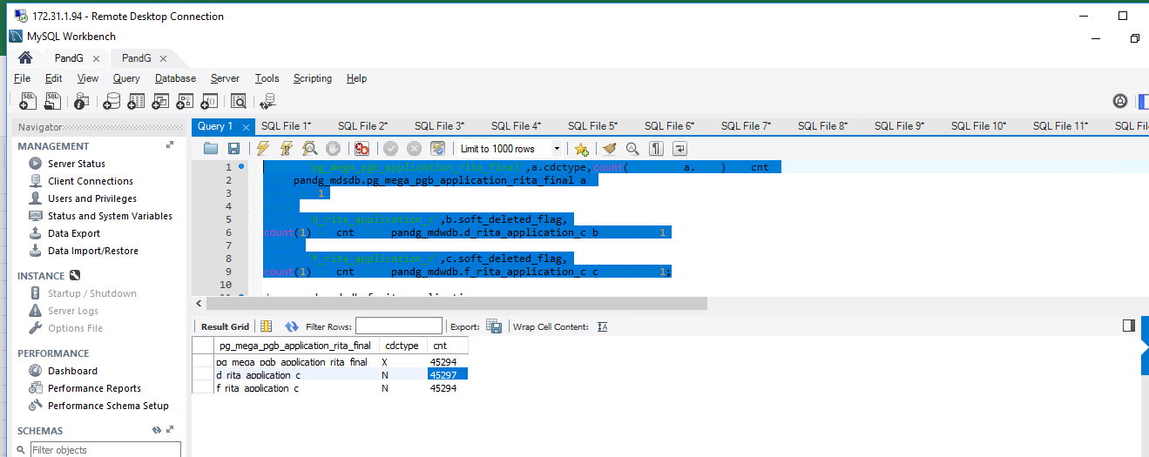
Rita _Mega Validation

Select 'pg_mega_pgb_application_rita_final',a.cdctype,count(distinct a.name) as cnt FROM pandg_mdsdb.pg_mega_pgb_application_rita_final a group by 1 UNION SELECT 'd_rita_application_c',b.soft_deleted_flag, count(1) as cnt FROM pandg_mdwdb.d_rita_application_c b group by 1 UNION SELECT 'f_rita_application_c',c.soft_deleted_flag, count(1) as cnt FROM pandg_mdwdb.f_rita_application_c c group by 1;

Cube Queries
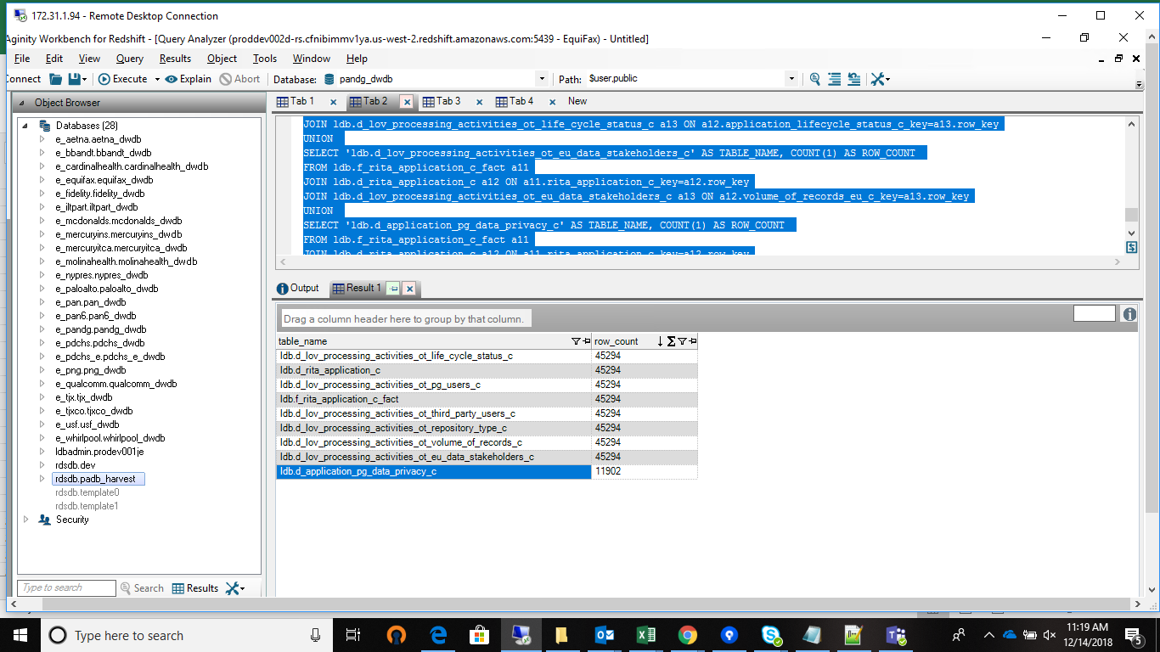
/* d_application_pg_data_privacy_c d_lov_processing_activities_ot_eu_data_stakeholders_c d_lov_processing_activities_ot_life_cycle_status_c d_lov_processing_activities_ot_pg_users_c d_lov_processing_activities_ot_repository_type_c d_lov_processing_activities_ot_third_party_users_c d_lov_processing_activities_ot_volume_of_records_c d_rita_application_c f_rita_application_c_fact */ SELECT 'ldb.f_rita_application_c_fact' AS TABLE_NAME, COUNT(1) AS ROW_COUNT FROM ldb.f_rita_application_c_fact a11 UNION SELECT 'ldb.d_rita_application_c' AS TABLE_NAME, COUNT(1) AS ROW_COUNT FROM ldb.f_rita_application_c_fact a11 JOIN ldb.d_rita_application_c a12 ON a11.rita_application_c_key=a12.row_key UNION SELECT 'ldb.d_lov_processing_activities_ot_volume_of_records_c' AS TABLE_NAME, COUNT(1) AS ROW_COUNT FROM ldb.f_rita_application_c_fact a11 JOIN ldb.d_rita_application_c a12 ON a11.rita_application_c_key=a12.row_key JOIN ldb.d_lov_processing_activities_ot_volume_of_records_c a13 ON a12.volume_of_records_all_c_key=a13.row_key UNION SELECT 'ldb.d_lov_processing_activities_ot_third_party_users_c' AS TABLE_NAME, COUNT(1) AS ROW_COUNT FROM ldb.f_rita_application_c_fact a11 JOIN ldb.d_rita_application_c a12 ON a11.rita_application_c_key=a12.row_key JOIN ldb.d_lov_processing_activities_ot_third_party_users_c a13 ON a12.application_total_3rd_party_with_access_c_key=a13.row_key UNION SELECT 'ldb.d_lov_processing_activities_ot_repository_type_c' AS TABLE_NAME, COUNT(1) AS ROW_COUNT FROM ldb.f_rita_application_c_fact a11 JOIN ldb.d_rita_application_c a12 ON a11.rita_application_c_key=a12.row_key JOIN ldb.d_lov_processing_activities_ot_repository_type_c a13 ON a12.application_nature_c_key=a13.row_key UNION SELECT 'ldb.d_lov_processing_activities_ot_pg_users_c' AS TABLE_NAME, COUNT(1) AS ROW_COUNT FROM ldb.f_rita_application_c_fact a11 JOIN ldb.d_rita_application_c a12 ON a11.rita_application_c_key=a12.row_key JOIN ldb.d_lov_processing_activit

